How to use this template
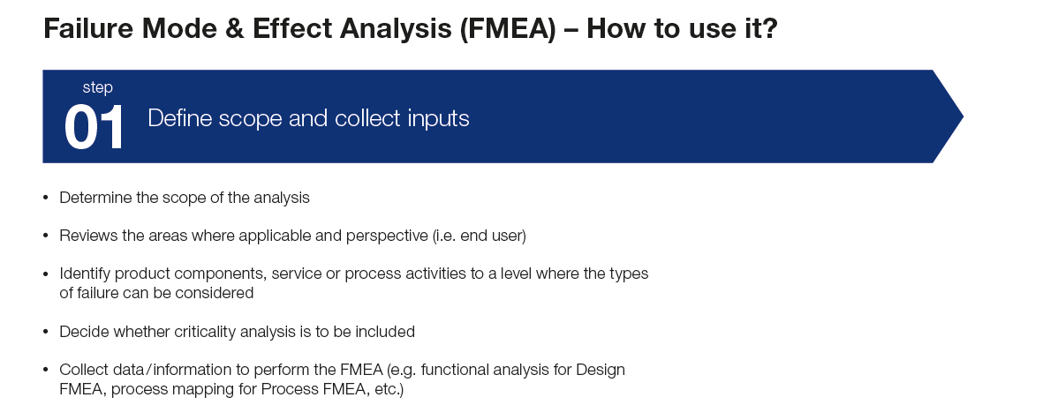
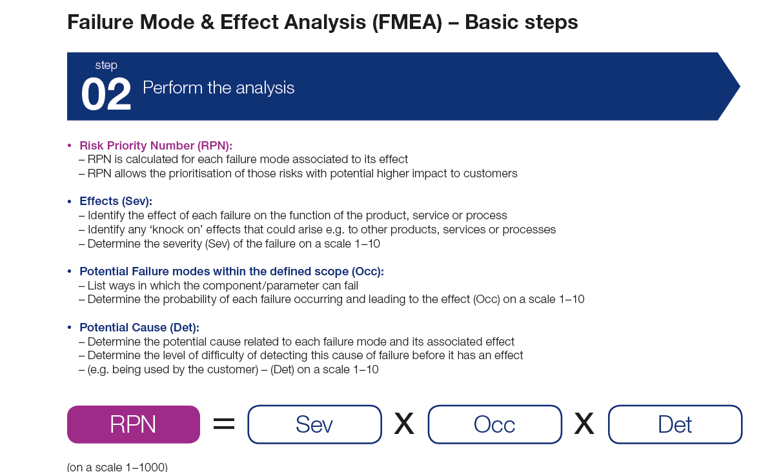
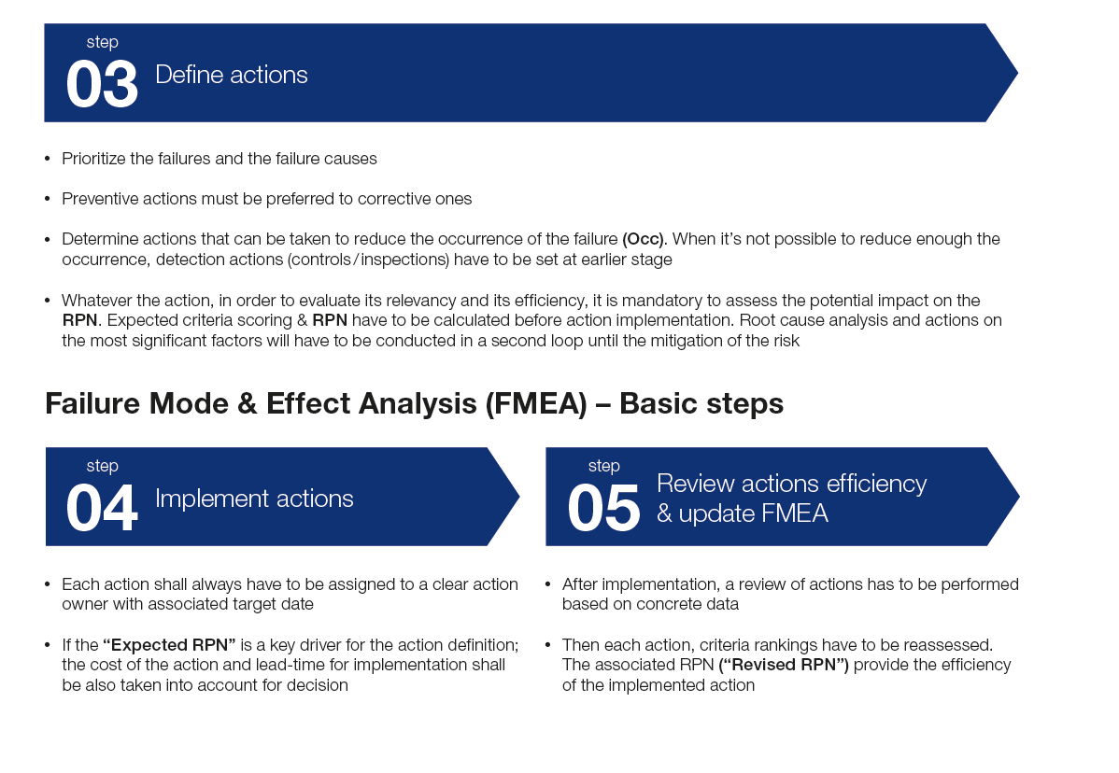
FMEA Template

This spreadsheet can be used to:

1) Identify potential failure modes and their impact on product reliability.
2) Rank the potential defects to establish priority - The highest RPN value items deserve the most attention.
3) Capture owners, action plans, and status on high RPN items.
Note, FMEA's are living documents and this may be updated periodically.

Organization of Spreadsheet:

Descriptions - explains the spreadsheet cells
FMEA - the actual sheet used to enter data
Severity/Likelihood/Detectability - guidelines for the 1-10 rankins in these categories
Example - a partial exmample of an FMEA document

Sheet Protection:

Some sheets are protected. There is no password.

Descriptions
Description of FMEA Worksheet

Protection:The spreadsheets are not protected or locked.

System |  |  |  | Potential |  |  |  |  |  | FMEA Number
Subsystem |  |  |  | Failure Mode and Effects Analysis |  |  |  |  |  | Prepared By
Component |  |  |  | (FMEA) |  |  |  |  |  | FMEA Date
Design Lead |  |  |  |  | Key Date |  |  |  |  | Revision Date
Core Team |  |  |  |  |  |  |  |  |  | Page | of

 |  |  |  |  |  |  |  |  |  |  | Action Results
Item / Function | Potential Failure Mode(s) | Potential Effect(s) of Failure | Sev | Potential Cause(s)/ Mechanism(s) of Failure | Prob | Current Design Controls | Det | RPN | Recommended Action(s) | Responsibility & Target Completion Date | Actions Taken | New Sev | New Occ | New Det | New RPN
 |  |  |  |  |  |  |  | 0 |  |  |  |  |  |  | 0
Coolant containment. Hose connection. Coolant fill. M | Crack/break. Burst. Side wall flex. Bad seal. Poor hose rete | Leak | 8 | Over pressure | 8 | Burst, validation pressure cycle. | 1 | 64 | Test included in prototype and production validation testing. | J.P. Aguire 11/1/95 E. Eglin 8/1/96 |  |  |  |  | 0
Write down each failure mode and potential consequence(s) of that failure.
Response Plans and Tracking
 |  |  |  |  |  |  |  | 0 |  |  |  |  |  |  | 0
 |  |  |  |  |  |  |  | 0 |  |  |  |  |  |  | 0
 |  |  |  |  |  |  |  | 0 |  |  |  |  |  |  | 0
 |  |  |  |  |  |  |  | 0 |  |  |  |  |  |  | 0
Severity - On a scale of 1-10, rate the Severity of each failure (10= most severe). See Severity sheet.
Risk Priority Number - The combined weighting of Severity, Likelihood, and Detectability.
RPN = Sev X Occ X Det
 |  |  |  |  |  |  |  | 0 |  |  |  |  |  |  | 0

 |  |  |  |  |  |  |  | 0 |  |  |  |  |  |  | 0

Likelihood - Write down the potential cause(s), and on a scale of 1-10, rate the Likelihood of each failure (10= most likely). See Likelihood sheet.
Detectability - Examine the current design, then, on a scale of 1-10, rate the Detectability of each failure
(10 = least detectable). See Detectability sheet.
 |  |  |  |  |  |  |  | 0 |  |  |  |  |  |  | 0
 |  |  |  |  |  |  |  | 0 |  |  |  |  |  |  | 0
 |  |  |  |  |  |  |  | 0 |  |  |  |  |  |  | 0
 |  |  |  |  |  |  |  | 0 |  |  |  |  |  |  | 0
 |  |  |  |  |  |  |  | 0 |  |  |  |  |  |  | 0
 |  |  |  |  |  |  |  | 0 |  |  |  |  |  |  | 0
 |  |  |  |  |  |  |  | 0 |  |  |  |  |  |  | 0
 |  |  |  |  |  |  |  | 0 |  |  |  |  |  |  | 0

